Sheet1
 |  |  |  |  |  |  |  |  |  |  | Settings:
AzureFilm ABS Prime vs ASA Prime |  |  |  |  |  |  |  |  |  |  | ABS | 260/90°C | Flow: 20 mm³/s, 0.4mm nozzle
MyTechFun, 2024-08-25 |  |  |  |  |  |  |  |  |  |  | ASA | 255/90°C
Test object on Printables: |  | https://www.printables.com/model/465670-mytechfun-test-objects |  |  |  |  |  |  |  |  | Printed on BambuLab X1C, Engineering plate + glue stick
Deformation in the creep test
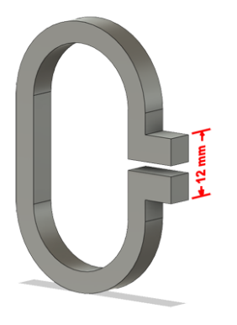
RAW DATA:
Creep test C-bending, reference surface [mm] (default 12mm), constant load 1,25 kg
 | No Load | 0 | 1 | 2 | 3 | 4 | 5
ABS | 12 | 16.76 | 18.01 | 18.45 | 18.67 | 18.89 | 18.98
ASA | 12 | 16.32 | 17.18 | 17.51 | 17.65 | 17.65 | 17.67

The difference between 2 days:
 | 1 | 2 | 3 | 4 | 5
ABS | 1.25 | 0.44 | 0.22 | 0.22 | 0.09
ASA | 0.86 | 0.33 | 0.14 | 0.00 | 0.02

Creeping (changes between 2 days)

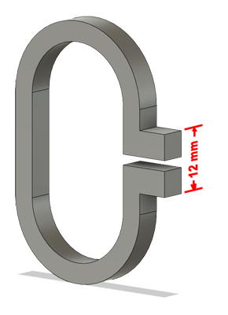

Tensile test, break load (kg)
Layer adhesion test, break load (kg)
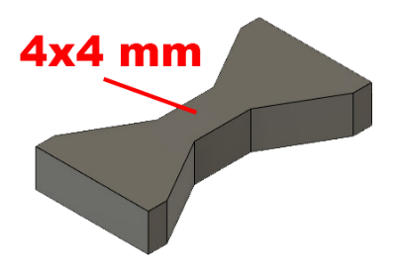
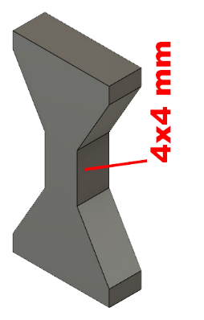
Tensile test, break load (kg)
 | Test 1 | Test 2 | Average (kg) | MPa
ABS | 67.8 | 66.1 | 66.9 | 41.0
ASA | 62.8 | 63.2 | 63.0 | 38.6
Min area 4x4mm

Layer adhesion test, break load (kg)
 | Test 1 | Test 2 | Average | MPa
ABS | 19.8 | 20.1 | 20.0 | 12.2
ASA | 20.0 | 23.6 | 21.8 | 13.4
Min area 4x4mm, vertical test specimen

Layer adhesion test with too low part cooling
 | Test 1 | Test 2 | Average | MPa
ABS | 17.5 | 19.9 | 18.7 | 11.5
ASA | 18.8 | 12.9 | 15.9 | 9.7
Min area 4x4mm, vertical test specimen

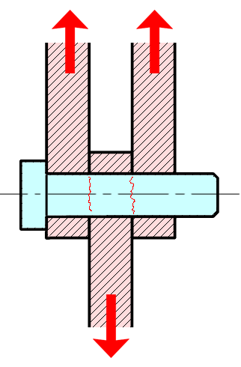
Shear stress, horizontal, break load (kg)
Vertical objects, break load (kg)
Shear stress test, break load (kg)
HORIZONTAL
 | Break kg | MPa
ABS | 114.2 | 28.5
ASA | 114.8 | 28.7
Area: 2 x Ø 5 mm

VERTICAL
 | Break kg | MPa
ABS | 39.7 | 9.9
ASA | 36.1 | 9.0
Area: 2 x Ø 5 mm

Bending test, deformation after 30 sec. (mm)
Bending. Deformation at given load after 30 sec, (mm)
 | 1.25kg | 2.5kg | 5kg | 10kg
ABS | 0.43 | 0.84 | 1.60 | 3.37
ASA | 0.39 | 0.79 | 1.53 | 3.16

Bending ISO178 (dist. Between supports 50mm)
More info about bending in next graph
(smaller values are better)

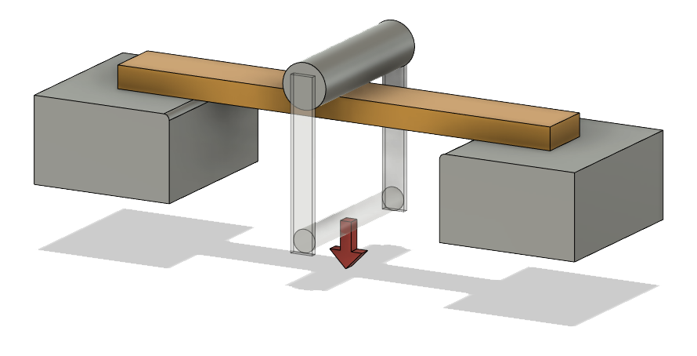

Bending, deformation at given load after 1", 30" and 60"
 | 1,25kg 1" | 1,25kg 30" | 1,25kg 60" | 2,5kg 1" | 2,5kg 30" | 2,5kg 60" | 5kg 1" | 5kg 30" | 5kg 60" | 10kg 1" | 10kg 30" | 10kg 60"
ABS | 0.43 | 0.43 | 0.43 | 0.83 | 0.84 | 0.84 | 1.59 | 1.60 | 1.61 | 3.18 | 3.37 | 3.46
ASA | 0.39 | 0.39 | 0.39 | 0.78 | 0.79 | 0.80 | 1.52 | 1.53 | 1.54 | 3.05 | 3.16 | 3.20

Bending, deformation at load

1,25 kg 2.5 kg 5 kg 10 kg

(horizontal) Load at 90° [Nm]
(vertical) Max Nm
Torque (twist) test, Nm
HORIZONTAL
 | Load at 90° | Max Nm | Approx turns
ABS | 1 | 1.4 | 1.5
ASA | 1.1 | 1.4 | 1.5

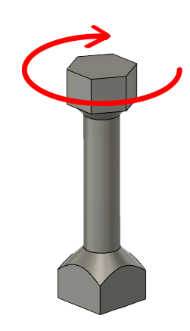
VERTICAL (layer adhesion is important)
 | Load at 90° | Max Nm | Approx turns
ABS | - | 0.9 | 0.1
ASA | - | 1.2 | 0.1

E break [kJ/m²]
Izod impact test, E break in Joules
 | dH [mm] | E br [J] | kJ/m²
ABS | 102 | 0.500 | 15.6
ASA | 107 | 0.525 | 16.4

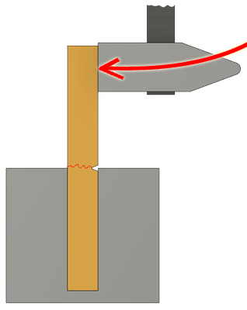

Temperature, deform °C
Temperature test
 | Deform °C
ABS | 94
ASA | 94

This is only a 15-minute test,
it is not recommended to use object continuously at this temp.
