Sheet1
JAMG HE PLA vs PETG |  |  |  |  |  |  |  |  |  |  | Settings: |  | max speed
MyTechFun, 2024-01-05 |  |  |  |  |  |  |  |  | Hi-Speed PLA+ |  | PLA+ | 220/60°C | 300 mm/s
Test object on Printables: |  | https://www.printables.com/model/465670-mytechfun-test-objects |  |  |  |  |  |  |  |  | PETG | 250/90°C | 200 mm/s
 |  |  |  |  |  |  |  |  |  |  | Printed on Creality K1
RAW DATA:
Creep test (changes on reference dimension)
Creep test C-bending, reference surface [mm] (default 12mm), constant load 1,25 kg
 | No Load | Day 0 | Day 1 | Day 2 | Day 3 | Day 4 | Day 5
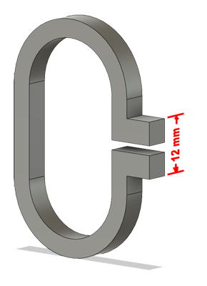
PLA+ | 12 | 15.99 | 21.25 | 23.56 | 25.11 | 26.42 | 27.82
PETG | 12 | 20.79 | 21.89 | 23.12 | 23.4 | 23.86 | 24.08

C-bending: Creeping calculated from raw data (difference between two days)
 | Day 1 | Day 2 | Day 3 | Day 4 | Day 5
PLA+ | 5.26 | 2.31 | 1.55 | 1.31 | 1.4
PETG | 1.1 | 1.23 | 0.28 | 0.46 | 0.22

Tensile test, break load (kg)
Layer adhesion test, break load (kg)
Tensile test, break load (kg)
 | Test 1 | Test 2 | Average (kg) | MPa
PLA+ | 87.3 | 79.8 | 83.55 | 51.2
PETG | 92.3 | 78 | 85.15 | 52.2

Min area 4x4mm

Layer adhesion test, break load (kg)
 | Test 1 | Test 2 | Average | MPa
PLA+ | 44 | 41.1 | 42.55 | 26.1
PETG | 54.5 | 54.7 | 54.6 | 33.5

Min area 4x4mm, vertical test specimen

Shear stress, break load (kg)
Shear stress test, break load (kg)
 | Break kg | MPa
PLA+ | 153.7 | 38.4
PETG | 155.3 | 38.8

Area: 2 x Ø 5 mm

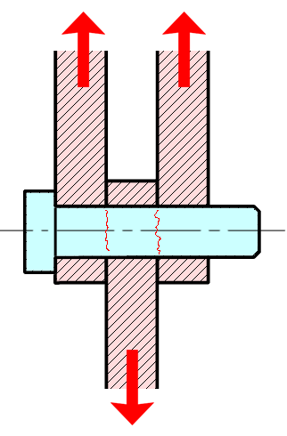

Bending test, deformation after 30 sec. (mm)
Bending. Deformation at given load after 30 sec, (mm)
 | 1.25kg | 2.5kg | 5kg | 10kg
PLA+ | 0.29 | 0.53 | 1.00 | 2.06
PETG | 0.35 | 0.72 | 1.39 | 2.86

Bending ISO178 (dist. Between supports 50mm)
More info about bending in next graph
(smaller values are better)

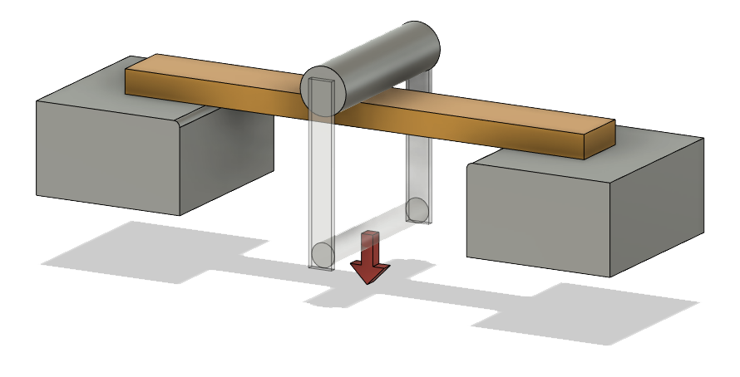

Bending, deformation at given load after 1", 30" and 60"
 | 1,25kg 1" | 1,25kg 30" | 1,25kg 60" | 2,5kg 1" | 2,5kg 30" | 2,5kg 60" | 5kg 1" | 5kg 30" | 5kg 60" | 10kg 1" | 10kg 30" | 10kg 60"
PLA+ | 0.28 | 0.29 | 0.29 | 0.52 | 0.53 | 0.54 | 0.98 | 1.00 | 1.01 | 1.98 | 2.06 | 2.09
PETG | 0.34 | 0.35 | 0.35 | 0.71 | 0.72 | 0.72 | 1.37 | 1.39 | 1.39 | 2.80 | 2.86 | 2.88

Bending, deformation at load
 | PLA+ | PETG
1,25kg 1" | 0.28 | 0.34
1,25kg 30" | 0.29 | 0.35
1,25kg 60" | 0.29 | 0.35
2,5kg 1" | 0.52 | 0.71
2,5kg 30" | 0.53 | 0.72
2,5kg 60" | 0.54 | 0.72
5kg 1" | 0.98 | 1.37
5kg 30" | 1.00 | 1.39
5kg 60" | 1.01 | 1.39
10kg 1" | 1.98 | 2.80
10kg 30" | 2.06 | 2.86
10kg 60" | 2.09 | 2.88

1,25 kg 2.5 kg 5 kg 10 kg

Load at 90° [Nm]
Torque (twist) test, Nm
 | Load at 90° | Max Nm | Approx turns
PLA+ | 1.2 | 1.5 | 1
PETG | 0.9 | 1 | 0.7

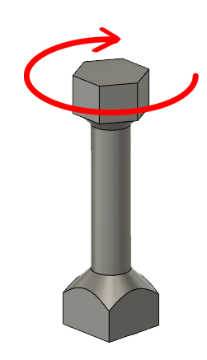

E break [kJ/m²]
Izod impact test, E break in Joules
 | dH [mm] | E br [J] | kJ/m²
PLA+ | 23 | 0.113 | 3.5 | (aver 4,3)
PETG | 16 | 0.078 | 2.5 | (aver 3.0)

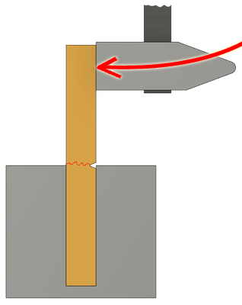

Temperature, deform °C
Temperature test
 | Deform °C
PLA+ | 53
PETG | 70
PLA started to deform earlier, but then stopped with deforming
at the end of test (108°C) PETG was softer compared to PLA

This is only a 15-minute test,
it is not recommended to use object continuously at this temp.
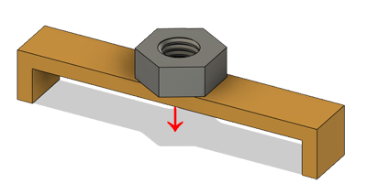

Friction test (pulling force in kg)
Friction test on glass: (for comparison with TPU)
 | T1 | T2 | T3 | Average
PLA+ | 0.29 | 0.3 | 0.29 | 0.293
PETG | 0.24 | 0.23 | 0.24 | 0.237
95A (TPU) |  |  |  | 0.96
Pulling force (kg) with 3.5 kg load

Price / 1kg (USD)
 | USD
PLA+ | 15
PETG | 12

