Sheet1
 | Prusament PETG V0, PETG-CF |  |  |  |  |  |  |  |  |  |  | Settings:
 | MyTechFun, 2023-09-06 |  |  |  |  |  |  |  |  |  |  | PETG-V0 | 230/90°C | brass nozzle | 0,4 mm
 | Test object on Printables: |  | https://www.printables.com/model/465670-mytechfun-test-objects |  |  |  |  |  |  |  |  | PETG-CF | 265/90°C | hardened steel nozzle (Nozzle-X)
 |  |  |  |  |  |  |  |  |  |  |  | PETG | 250/90°C | brass nozzle
 | RAW DATA: |  |  |  |  |  |  |  |  |  |  | Print settings are preset values in PrusaSlicer for these filaments
Creep test (changes on reference dimension)
 | Creep test C-bending, reference surface [mm] (default 12mm), constant load 1,25 kg
 |  | No Load | Day 0 | Day 1 | Day 2 | Day 3 | Day 4 | Day 5 | Day 6
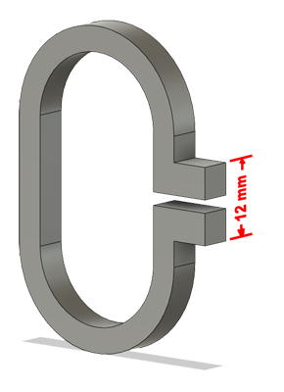
 | PETG-V0 | 12 | 15.12 | 16.05 | 16.72 | 16.93 | 17.09 | 17.26 | 17.35
 | PETG-CF | 12 | 14.94 | 15.75 | 16.08 | 16.39 | 16.62 | 16.71 | 16.73
 | PETG | 12 | 16.06 | 18.63 | 19.35 | 19.95 | 20.21 | 20.35 | 20.48

 | C-bending: Creeping calculated from raw data (difference between two days)
 |  | Day 1 | Day 2 | Day 3 | Day 4 | Day 5 | Day 6
 | PETG-V0 | 0.93 | 0.67 | 0.21 | 0.16 | 0.17 | 0.09
 | PETG-CF | 0.81 | 0.33 | 0.31 | 0.23 | 0.09 | 0.02
 | PETG | 2.57 | 0.72 | 0.6 | 0.26 | 0.14 | 0.13

Tensile test, break load (kg)
Layer adhesion test, break load (kg)
 | Tensile test, break load (kg)
 |  | Test 1 | Test 2 | Average (kg) | MPa
 | PETG-V0 | 55.4 | 50.5 | 52.95 | 32.5
 | PETG-CF | 75.1 | 74.7 | 74.9 | 45.9 | +41%
* | PETG |  |  | 77.8 | 47.7
 | Min area 4x4mm
 | *from old video

 | Layer adhesion test, break load (kg)
 |  | Test 1 | Test 2 | Average | MPa
 | PETG-V0 | 23.6 | 18.5 | 21.05 | 12.9 | -31%
 | PETG-CF | 26.9 | 34 | 30.45 | 18.7
* | PETG |  |  | 31.9 | 19.6
 | Min area 4x4mm, vertical test specimen
 | *from old video

Shear stress, break load (kg)
 | Shear stress test, break load (kg)
 |  | Break kg | MPa
 | PETG-V0 | 116.6 | 29.1
 | PETG-CF | 124.8 | 31.2
* | PETG | 120.2 | 30.0
 | Area: 2 x Ø 5 mm
 | *from old video
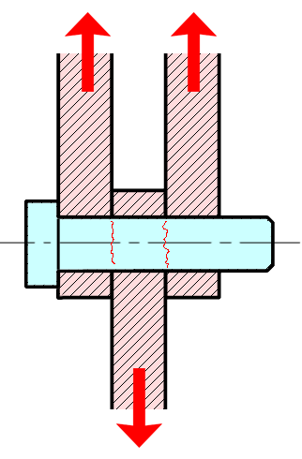

Bending test, deformation after 30 sec. (mm)
 | Bending. Deformation at given load after 30 sec, (mm)
 |  | 1.25kg | 2.5kg | 5kg | 10kg
 | PETG-V0 | 0.32 | 0.66 | 1.29 | 2.98
 | PETG-CF | 0.27 | 0.53 | 1.04 | 2.49
 | PETG | 0.45 | 0.88 | 1.70 | 3.77
 | Bending ISO178 (dist. Between supports 50mm)
 | More info about bending in next graph
 | (smaller values are better)

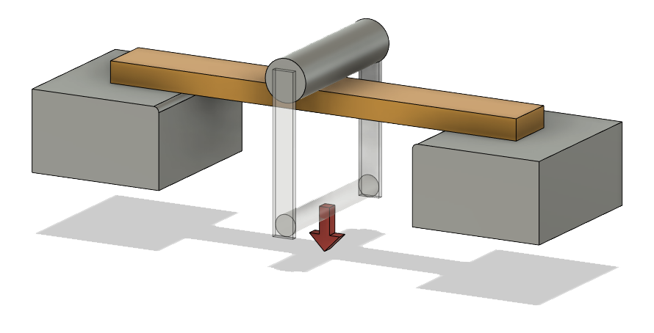

 | Bending, deformation at given load after 1", 30" and 60"
 |  | 1,25kg 1" | 1,25kg 30" | 1,25kg 60" | 2,5kg 1" | 2,5kg 30" | 2,5kg 60" | 5kg 1" | 5kg 30" | 5kg 60" | 10kg 1" | 10kg 30" | 10kg 60"
 | PETG-V0 | 0.32 | 0.32 | 0.33 | 0.65 | 0.66 | 0.66 | 1.28 | 1.29 | 1.30 | 2.80 | 2.98 | 3.04
 | PETG-CF | 0.26 | 0.27 | 0.27 | 0.53 | 0.53 | 0.53 | 1.01 | 1.04 | 1.05 | 2.28 | 2.49 | 2.59
 | PETG | 0.44 | 0.45 | 0.46 | 0.87 | 0.88 | 0.88 | 1.67 | 1.70 | 1.71 | 3.61 | 3.77 | 3.83

Bending, deformation at load

1,25 kg 2.5 kg 5 kg 10 kg

Torque test (Nm)

 | Torque (twist) test, Nm
 |  | Load at 90° | Max Nm | Approx turns
 | PETG-V0 | 0.9 | 0.9 | 0.3
 | PETG-CF | 0.8 | 1.1 | 1
* | PETG | 1 | 1.3
 | *from old video
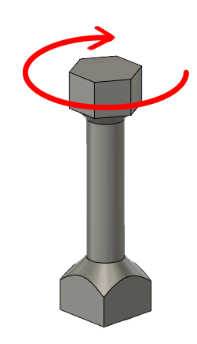

E break [kJ/m²]
 | Izod impact test, E break in Joules
 |  | dH [mm] | E br [J] | kJ/m²
 | PETG-V0 | 18 | 0.088 | 2.8 | -5%
 | PETG-CF | 19 | 0.093 | 2.9
* | PETG |  |  | 3.5
 | *from old video

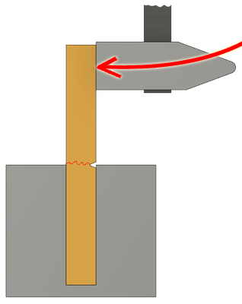

Temperature, deform °C
 | Temperature test
 |  | Deform °C
 | PETG-V0 | 66
 | PETG-CF | 65
 | PETG | 66

 | This is only a 15-minute test,
 | it is not recommended to use object continuously at this temp.
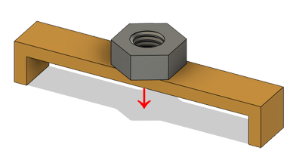

 | Hardness (Shore D) |  |  |  | average
 |  | 1 | 2 | 3 | Shore D
 | PETG-V0 | 70.5 | 70.5 | 71 | 70.7
 | PETG-CF | 72 | 72 | 71 | 71.7
 | PETG | 73 | 72.5 | 73 | 72.8
 | Measured perpendicular to printed layers.

 | Price (in EU, but for relative comparison)
 |  | USD
 | PETG-V0 | 54.99
 | PETG-CF | 54.99
 | PETG | 28.50

 | @2023-08-31

