Sheet1
Gratkit 8k Rigid Resin |  |  |  |  |  |  |  |  |  |  | More info
MyTechFun, 2023-09-01 |  |  |  |  |  |  |  |  |  |  | Gratkit rigid | Printed on Elegoo Mars 3
Test object on Printables: |  | https://www.printables.com/model/465670-mytechfun-test-objects |  |  |  |  |  |  |  |  | Average resin | Average non-flexible resin tested by Mytechfun

Creep test (changes on reference dimension)
 | Gratkit rigid | Average resin
Day 1 | 2.26 | 6.63
Day 2 | 1.35
Day 3 | 1.17
Day 4 | 0.43
Day 5 | 0.33
Day 6 | 0.28
RAW DATA:
Creep test C-bending, reference surface [mm] (default 12mm), constant load 1,25 kg
 | No Load | Day 0 | Day 1 | Day 2 | Day 3 | Day 4 | Day 5 | Day 6

Gratkit rigid | 12 | 16.34 | 18.6 | 19.95 | 21.12 | 21.55 | 21.88 | 22.16
Average resin | 12 | 20.2 | 26.83

C-bending: Creeping calculated from raw data (difference between two days)
 | Day 1 | Day 2 | Day 3 | Day 4 | Day 5 | Day 6
Gratkit rigid | 2.26 | 1.35 | 1.17 | 0.43 | 0.33 | 0.28
Average resin | 6.63

Tensile test, break load (kg)
Layer adhesion test, break load (kg)
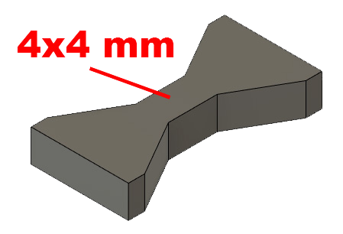
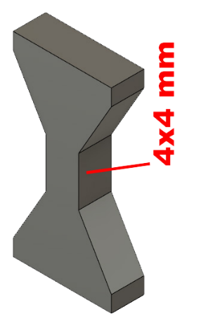
Tensile test, break load (kg)
 | Test 1 | Test 2 | Average (kg) | MPa
Gratkit rigid | 43.5 | 47.4 | 45.45 | 27.9
Average resin |  |  | 66.5 | 40.8
Min area 4x4mm

Layer adhesion test, break load (kg)
 | Test 1 | Test 2 | Average | MPa
Gratkit rigid | 58.3 | 61.2 | 59.75 | 36.6
Average resin |  |  | 69.2 | 42.4
Min area 4x4mm, vertical test specimen

Shear stress, break load (kg)
Shear stress test, break load (kg)
 | Break kg | MPa
Gratkit rigid | 76.8 | 19.2
Average resin | 110.7 | 27.7
Area: 2 x Ø 5 mm



Bending test, deformation after 30 sec. (mm)
Bending. Deformation at given load after 30 sec, (mm)
 | 1.25kg | 2.5kg | 5kg | 10kg
Gratkit rigid | 0.45 | 0.85 | 1.64 | 3.21
Average resin | 0.53 | 1.00 | 1.75 | 3.57
Bending ISO178 (dist. Between supports 50mm)
More info about bending in next graph
(smaller values are better)



Bending, deformation at given load after 1", 30" and 60"
 | 1,25kg 1" | 1,25kg 30" | 1,25kg 60" | 2,5kg 1" | 2,5kg 30" | 2,5kg 60" | 5kg 1" | 5kg 30" | 5kg 60" | 10kg 1" | 10kg 30" | 10kg 60"
Gratkit rigid | 0.39 | 0.45 | 0.46 | 0.79 | 0.85 | 0.87 | 1.47 | 1.64 | 1.68 | 2.88 | 3.21 | 3.33
Average resin | 0.46 | 0.53 | 0.54 | 0.93 | 1.00 | 1.02 | 1.64 | 1.75 | 1.79 | 3.20 | 3.57 | 3.75

Bending, deformation at load

1,25 kg 2.5 kg 5 kg 10 kg

Torque (twist) test, Nm
 | Max Nm
Gratkit rigid | 0.5
Average resin | 1.8
Cylindrical part d6x30 mm


E break [kJ/m²]
Izod impact test, E break in Joules
 | dH [mm] | E br [J] | kJ/m²
Gratkit rigid | 19.5 | 0.096 | 3.0
Average resin |  |  | 2.5



Temperature test
 | Deform °C
Gratkit rigid | 170 | The test object cracked

This is only a 15-minute test,
it is not recommended to use object continuously at this temp.


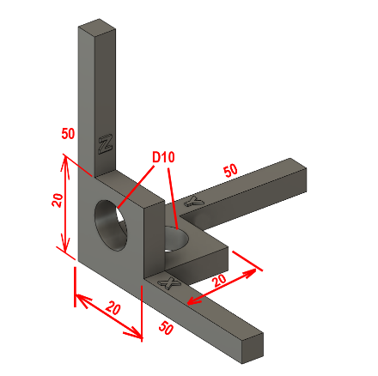

Shrinking | measured [mm]
 | X | Y | Z
50 mm | 49.82 | 49.79 | 49.59
20 mm | 19.9 | 19.98 | 19.9
hole 10 mm | 9.52 | 9.93 | 9.79

 | X | Y | Z
Dimention in % | 98.1% | 99.6% | 98.9%

Total average shrinking of 1.4%

