Sheet1
Water annealing test - AmazonBasits PLA (annealing in hot water) |  |  |  |  |  |  |  |  |  |  | Settings:
A80 | From cold water to 80°C and emmidiately turning off the heating, slow cool down |  |  |  |  |  |  |  |  |  | PLA | 210/60°C
A100 | heating to 100°C, boiling 45 minutes then cooling down (*temp 96-98°C)
Mass (g)
 | Total Annealed | Total Reference
0.000 | 9.697 | 9.542
0.083 | 9.662
0.250 | 9.65
0.500 | 9.638
1.000 | 9.626 | 9.556
2.000 | 9.602 | 9.573
3.000 | 9.594 | 9.588
3.500 | 9.591 | 9.589

Drying on open air 24-26°C, 45-50% RH
 | Annealed |  |  | Reference
 | C ann | B ann | S ann | C ref | B ref | S ref
0 | 3.437 | 4.028 | 2.232 | 3.370 | 3.985 | 2.187
2h | 3.423 | 4.021 | 2.218
6h | 3.418 | 4.018 | 2.214
12h | 3.414 | 4.011 | 2.213
1 day | 3.407 | 4.009 | 2.210 | 3.380 | 3.986 | 2.190
2 days | 3.397 | 4.001 | 2.204 | 3.385 | 3.991 | 2.197
3 days | 3.393 | 4.000 | 2.201 | 3.389 | 3.997 | 2.202
3d 12h | 3.392 | 3.999 | 2.200 | 3.390 | 3.997 | 2.202

 |  | days | Total Annealed | Total Reference
 |  | 0 | 9.697 | 9.542
 |  | 0.083 | 9.662
 |  | 0.25 | 9.65
 |  | 0.5 | 9.638
 |  | 1 | 9.626 | 9.556
 |  | 2 | 9.602 | 9.573
 |  | 3 | 9.594 | 9.588
 |  | 3.5 | 9.591 | 9.589

Tensile test, break load (kg)
Layer adhesion test, break load (kg)
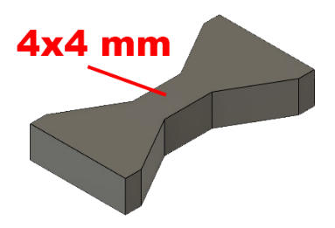
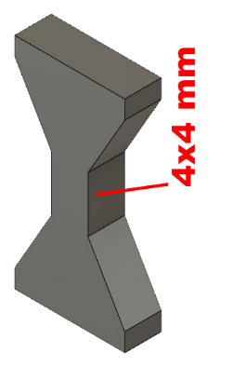
Tensile test, break load (kg)
 | Test 1 | Test 2 | Average (kg) | MPa
PLA | 108.4 | 105.4 | 106.9 | 65.5
A100 | 110.4 | 110.4 | 110.4 | 67.7
Min area 4x4mm

Layer adhesion test, break load (kg)
 | Test 1 | Test 2 | Average | MPa
PLA | 59.6 | 56.6 | 58.1 | 35.6
A100 | 41 | 50.2 | 45.6 | 28.0
Min area 4x4mm, vertical test specimen

 |  | warping could be the reason
 |  | for lower break load (?)

 |  | Layer adhesion test is very sensitive
 |  | if the force is not exactly 90° to layers

Hook test, break (kg)

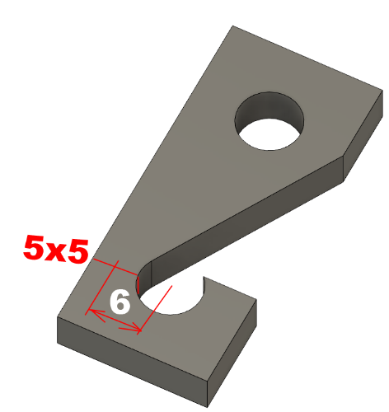
Hook test (break load, kg)
 | break (kg)
PLA | 40.2
A100 | 39.6
cross section: 5x5 mm, from center 6mm

Bending test, deformation after 30 sec. (mm)
Bending. Deformation at given load after 30 sec, (mm)
 | 1.25kg | 2.5kg | 5kg | 10kg
PLA | 0.32 | 0.59 | 1.1 | 2.28
A80 | 0.18 | 0.32 | 0.67 | 1.59
A100 | 0.17 | 0.36 | 0.68 | 1.43
Bending ISO178 (dist. Between supports 50mm)
More info about bending in next graph
(smaller values are better)



Bending, deformation at given load after 1", 30" and 60"
 | 1,25kg 1" | 1,25kg 30" | 1,25kg 60" | 2,5kg 1" | 2,5kg 30" | 2,5kg 60" | 5kg 1" | 5kg 30" | 5kg 60" | 10kg 1" | 10kg 30" | 10kg 60"
PLA | 0.31 | 0.32 | 0.32 | 0.59 | 0.59 | 0.6 | 1.09 | 1.1 | 1.1 | 2.19 | 2.28 | 2.32
A80 | 0.17 | 0.18 | 0.18 | 0.33 | 0.32 | 0.32 | 0.66 | 0.67 | 0.68 | 1.54 | 1.59 | 1.61
A100 | 0.17 | 0.17 | 0.17 | 0.35 | 0.36 | 0.36 | 0.68 | 0.68 | 0.69 | 1.35 | 1.43 | 1.44

Bending, deformation at load

E break [kJ/m²]
Izod impact test, E break in Joules
 | dH [mm] | E br [J] | kJ/m²
PLA | 19 | 0.093 | 2.9
W80 | 19 | 0.093 | 2.9
W100 | 19 | 0.093 | 2.9
*Both annealed object shrinked and warped



Temperature, deform °C
Temperature test
 | Deform °C
PLA | 52
W80 | 152
W100 | 152

This is only a 15-minute test,
it is not recommended to use object continuously at this temp.


Deformation in %

Deformation (shrinking, expanding)
 | X | Y | Z
PLA | 30.1 | 30.05 | 29.95
W80 | 28.75 | 28.9 | 31.02
W100 | 28.4 | 28.62 | 31.14
in % W80 | 95.5% | 96.2% | 103.6%
in % W100 | 94.4% | 95.2% | 104.0%

*but deformation is not always equal, cannot be compensated in design.

Sheet2
idő (perc) | hőmérséklet °C
0 | 20
10 | 80
30 | 80
40 | 20

