Sheet1
Lazy annealing test - AmazonBasits PLA (annealing on print bed 1h, 100°C, covered) |  |  |  |  |  |  |  |  |  |  | Settings:
 |  |  |  |  |  |  |  |  |  |  | PLA | 210/60°C
 |  |  |  |  |  |  |  |  |  |  | Annealed | 210/60°C | *annealing on print bed after 3D printing, 1h, 100°C, covered

RAW DATA:
Creep test C-bending, reference surface [mm] (default 12mm), constant load 1,25 kg
 | No Load | Day 0 | Day 1 | Day 2 | Day 3 | Day 4 | Day 5

PLA | 12 | 15.11 | 16.24 | 16.75 | 17.05 | 17.32 | 17.6
Annealed | 12 | 14.5 | 15.05 | 15.3 | 15.54 | 15.75 | 15.83

C-bending: Creeping calculated from raw data (difference between two days)
 | Day 1 | Day 2 | Day 3 | Day 4 | Day 5
PLA | 1.13 | 0.51 | 0.3 | 0.27 | 0.28
Annealed | 0.55 | 0.25 | 0.24 | 0.21 | 0.08

Tensile test, break load (kg)
Layer adhesion test, break load (kg)
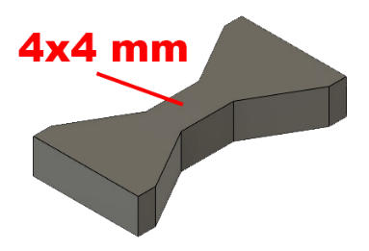
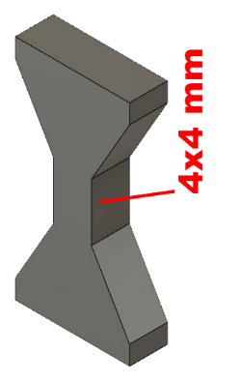
Tensile test, break load (kg)
 | Test 1 | Test 2 | Average (kg) | MPa
PLA | 108.6 | 105.6 | 107.1 | 65.7
Annealed | 112.2 | 112.8 | 112.5 | 69.0
Min area 4x4mm

Layer adhesion test, break load (kg)
 | Test 1 | Test 2 | Average | MPa
PLA | 61.6 | 57 | 59.3 | 36.4
Annealed | 44.4 | 33.2 | 38.8 | 23.8
Min area 4x4mm, vertical test specimen

 |  | warping could be the reason
 |  | for lower break load

Hook test, break (kg)

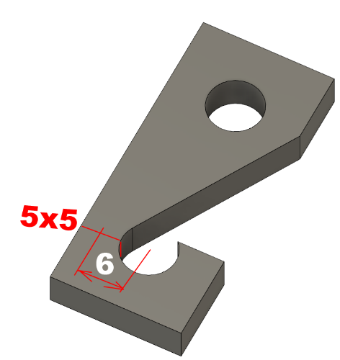
Hook test (break load, kg)
 | break (kg)
PLA | 40
Annealed | 43.8
cross section: 5x5 mm, from center 6mm

Bending test, deformation after 30 sec. (mm)
Bending. Deformation at given load after 30 sec, (mm)
 | 1.25kg | 2.5kg | 5kg | 10kg
PLA | 0.39 | 0.63 | 1.12 | 2.24
Annealed | 0.23 | 0.45 | 0.87 | 1.78
Bending ISO178 (dist. Between supports 50mm)
More info about bending in next graph
(smaller values are better)



Bending, deformation at given load after 1", 30" and 60"
 | 1,25kg 1" | 1,25kg 30" | 1,25kg 60" | 2,5kg 1" | 2,5kg 30" | 2,5kg 60" | 5kg 1" | 5kg 30" | 5kg 60" | 10kg 1" | 10kg 30" | 10kg 60"
PLA | 0.37 | 0.39 | 0.39 | 0.62 | 0.63 | 0.63 | 1.09 | 1.11 | 1.12 | 2.11 | 2.21 | 2.24
Annealed | 0.22 | 0.22 | 0.23 | 0.44 | 0.45 | 0.45 | 0.85 | 0.87 | 0.87 | 1.72 | 1.76 | 1.78

Bending, deformation at load

E break [kJ/m²]
Izod impact test, E break in Joules
 | dH [mm] | E br [J] | kJ/m²
PLA | 17 | 0.083 | 2.6
Annealed | 25 | 0.123 | 3.8
*Annealed object shrinked and warped



Temperature, deform °C
Temperature test
 | Deform °C
PLA | 54
Annealed | 150

This is only a 15-minute test,
it is not recommended to use object continuously at this temp.


Deformation (shrinking, expanding)
 | X | Y | Z
PLA | 30.03 | 30 | 29.87
Annealed | 29.15 | 29.25 | 31.49
in % | 97.1% | 97.5% | 105.4%

*but deformation is not always equal, cannot be compensated in design.

